Carbon footprint calculator
 |  |  |  | Electric Vehicle - Wind | Electric Vehicle - Photovoltaic | E-bike - EU average | Conventional bike | Human health [min. lost/FU] | Gas Vehicle | Electric Vehicle - Hard coal | Electric Vehicle - EU average | Electric Vehicle - Wind | Electric Vehicle - Photovoltaic | E-bike - EU elec, average km | Conventional bike marginal km | Conventional bike average km | Ecosystem quality impacts [species-yr/FU] | Gas Vehicle | Electric Vehicle - Hard coal | Electric Vehicle - EU average | Electric Vehicle - Wind | Electric Vehicle - Photovoltaic | E-bike - EU average | Conventional bike average km | Cumulative energy demand [MJ/FU] | Gas Vehicle | Electric Vehicle - Hard coal | Electric Vehicle - EU average
 |  |  |  | 0.0465 | 0.0465 | 0.0087 | 0.0073 | Manufacturing & raw materials | 8.81E-02 | 1.25E-01 | 1.25E-01 | 1.25E-01 | 1.25E-01 | 2.03E-02 | 0.0172 | 1.72E-02 | Manufacturing & raw materials | 1.60E-10 | 2.71E-10 | 2.71E-10 | 2.71E-10 | 2.71E-10 | 4.22E-11 | 4.22E-11 | Manufacturing & raw materials | 5.68E-01 | 7.15E-01 | 7.15E-01
Transportation | 0.0010 | 0.0006 | 0.0006 | 0.0006 | 0.0006 | 0.0004 | 0.0004 | Transportation | 2.34E-03 | 1.34E-03 | 1.34E-03 | 1.34E-03 | 1.34E-03 | 1.34E-03 | 0.0005 | 5.00E-04 | Transportation | 8.57E-12 | 4.93E-12 | 4.93E-12 | 4.93E-12 | 4.93E-12 | 2.51E-12 | 2.51E-12 | Transportation | 1.39E-02 | 8.16E-03 | 8.16E-03
Disposal | 0.0018 | 0.0021 | 0.0021 | 0.0021 | 0.0021 | 0.0005 | 0.0001 | Disposal | -1.83E-04 | -2.27E-04 | -2.27E-04 | -2.27E-04 | -2.27E-04 | -2.27E-04 | 0.0001 | 6.56E-05 | Disposal | 2.11E-12 | 2.41E-12 | 2.41E-12 | 2.41E-12 | 2.41E-12 | 1.53E-12 | 1.53E-12 | Disposal | -3.76E-02 | -4.44E-02 | -4.44E-02 | -4.44E-02 | -4.44E-02 | 1.10E-04 | 1.10E-04
Use | 0.2751 |  |  |  |  |  |  | Use | 0.349 |  |  |  |  |  |  |  | Use | 1.36E-09 |  |  |  |  |  |  | Use | 3.51E+00
Electric charging - EU |  |  | 0.1001 |  |  | 0.0027 | 0.0000 | Electric charging - EU |  |  | 0.127 |  |  | -6.54 | -1.9836 | -9.80 | Electric charging - EU |  |  | 4.76E-10 |  |  | 1.28E-11 | 0.00E+00 | Electric charging - EU |  |  | 2.31E+00 |  |  | 6.22E-02 | 0.00E+00
Electric charging - wind |  |  |  | 0.0038 |  |  |  | Electric charging - wind |  |  |  | 0.0107 |  |  |  |  | Electric charging - wind |  |  |  | 2.15E-11 |  |  |  | Electric charging - wind |  |  |  | 5.20E-02
Electric charging - photovoltaic |  |  |  |  | 0.0209 |  |  | Electric charging - photovoltaic |  |  |  |  | 0.038 |  |  |  | Electric charging - photovoltaic |  |  |  |  | 1.70E-10 |  |  | Electric charging - photovoltaic |  |  |  |  | 2.76E-01
Electric charging - hard coal |  | 0.2848 |  |  |  |  |  | Electric charging - hard coal |  | 0.429 |  |  |  |  |  |  | Electric charging - hard coal |  | 1.50E-09 |  |  |  |  |  | Electric charging - hard coal |  | 2.94E+00
Net value | 0.3106 | 0.3340 | 0.1493 | 0.0530 | 0.0700 | 0.0124 | 0.0077 | Net value | 0.44 | 0.56 | 0.25 | 0.14 | 0.16 | -6.51 | -1.9659 | -9.7863 | Net value | 1.53E-09 | 1.78E-09 | 7.54E-10 | 3.00E-10 | 4.48E-10 | 5.91E-11 | 4.63E-11 | Net value | 4.06E+00 | 3.61E+00 | 2.99E+00 | 7.31E-01 | 9.54E-01 | 1.76E-01 | 1.14E-01

Comparison of human health impacts per vehicle-km
 | Manufacturing & raw materials | Transportation | Disposal | Use | Electric charging - EU | Electric charging - wind | Electric charging - photovoltaic | Electric charging - hard coal | Net value
Gas Vehicle | 8.81E-02 | 2.34E-03 | -1.83E-04 | 0.349 |  |  |  |  | 0.44
Electric Vehicle - Hard coal | 1.25E-01 | 1.34E-03 | -2.27E-04 |  |  |  |  | 0.429 | 0.56
Electric Vehicle - EU average | 1.25E-01 | 1.34E-03 | -2.27E-04 |  | 0.13 |  |  |  | 0.25
Electric Vehicle - Wind | 1.25E-01 | 1.34E-03 | -2.27E-04 |  |  | 0.01 |  |  | 0.14
Electric Vehicle - Photovoltaic | 1.25E-01 | 1.34E-03 | -2.27E-04 |  |  |  | 0.038 |  | 0.16
E-bike - EU elec, average km | 2.03E-02 | 1.34E-03 | -2.27E-04 |  | -6.54 |  |  |  | -6.51
Conventional bike marginal km | 1.72E-02 | 5.00E-04 | 6.56E-05 |  | -1.98 |  |  |  | -1.97
Conventional bike average km | 1.72E-02 | 5.00E-04 | 6.56E-05 |  | -9.80 |  |  |  | -9.79
Comparison of ecosystem quality impacts
 | Manufacturing & raw materials | Transportation | Disposal | Use | Electric charging - EU | Electric charging - wind | Electric charging - photovoltaic | Electric charging - hard coal | Net value
Gas Vehicle | 1.60E-10 | 8.57E-12 | 2.11E-12 | 1.36E-09 |  |  |  |  | 1.53E-09
Electric Vehicle - Hard coal | 2.71E-10 | 4.93E-12 | 2.41E-12 |  |  |  |  | 1.50E-09 | 1.78E-09
Electric Vehicle - EU average | 2.71E-10 | 4.93E-12 | 2.41E-12 |  | 4.76E-10 |  |  |  | 7.54E-10
Electric Vehicle - Wind | 2.71E-10 | 4.93E-12 | 2.41E-12 |  |  | 2.15E-11 |  |  | 3.00E-10
Electric Vehicle - Photovoltaic | 2.71E-10 | 4.93E-12 | 2.41E-12 |  |  |  | 1.70E-10 |  | 4.48E-10
E-bike - EU average | 4.22E-11 | 2.51E-12 | 1.53E-12 |  | 1.28E-11 |  |  |  | 5.91E-11
Conventional bike average km | 4.22E-11 | 2.51E-12 | 1.53E-12 |  | 0.00E+00 |  |  |  | 4.63E-11
...
Comparison of carbon footprint
 | Manufacturing & raw materials | Transportation | Disposal | Use | Electric charging - EU | Electric charging - wind | Electric charging - photovoltaic | Electric charging - hard coal | Net value
Gas Vehicle | 0.0327 | 0.0010 | 0.0018 | 0.2751 |  |  |  |  | 0.3106
Electric Vehicle - Hard coal | 0.0465 | 0.0006 | 0.0021 |  |  |  |  | 0.2848 | 0.3340
Electric Vehicle - EU average | 0.0465 | 0.0006 | 0.0021 |  | 0.1001 |  |  |  | 0.1493
Electric Vehicle - Wind | 0.0465 | 0.0006 | 0.0021 |  |  | 0.0038 |  |  | 0.0530
Electric Vehicle - Photovoltaic | 0.0465 | 0.0006 | 0.0021 |  |  |  | 0.0209 |  | 0.0700
E-bike - EU average | 0.0087 | 0.0004 | 0.0005 |  | 0.0027 |  |  |  | 0.0124
Conventional bike | 0.0073 | 0.0004 | 0.0001 |  | 0.0000 |  |  |  | 0.0077
...
Comparison of ecosystem quality impacts
 | Manufacturing & raw materials | Transportation | Disposal | Use | Electric charging - EU | Electric charging - wind | Electric charging - photovoltaic | Electric charging - hard coal | Net value
Gas Vehicle | 1.60E-10 | 8.57E-12 | 2.11E-12 | 1.36E-09 |  |  |  |  | 1.53E-09
Electric Vehicle - Hard coal | 2.71E-10 | 4.93E-12 | 2.41E-12 |  |  |  |  | 1.50E-09 | 1.78E-09
Electric Vehicle - EU average | 2.71E-10 | 4.93E-12 | 2.41E-12 |  | 4.76E-10 |  |  |  | 7.54E-10
Electric Vehicle - Wind | 2.71E-10 | 4.93E-12 | 2.41E-12 |  |  | 2.15E-11 |  |  | 3.00E-10
Electric Vehicle - Photovoltaic | 2.71E-10 | 4.93E-12 | 2.41E-12 |  |  |  | 1.70E-10 |  | 4.48E-10
E-bike - EU average | 4.22E-11 | 2.51E-12 | 1.53E-12 |  | 1.28E-11 |  |  |  | 5.91E-11
Cumulative energy demand
 | Manufacturing & raw materials | Transportation | Disposal | Use | Electric charging - EU | Electric charging - wind | Electric charging - photovoltaic | Electric charging - hard coal | Net value
Gas Vehicle | 5.68E-01 | 1.39E-02 | -3.76E-02 | 3.51E+00 |  |  |  |  | 4.06E+00
Electric Vehicle - Hard coal | 7.15E-01 | 8.16E-03 | -4.44E-02 |  |  |  |  | 2.94E+00 | 3.61E+00
Electric Vehicle - EU average | 7.15E-01 | 8.16E-03 | -4.44E-02 |  | 2.31E+00 |  |  |  | 2.99E+00
Electric Vehicle - Wind | 7.15E-01 | 8.16E-03 | -4.44E-02 |  |  | 5.20E-02 |  |  | 7.31E-01
Electric Vehicle - Photovoltaic | 7.15E-01 | 8.16E-03 | -4.44E-02 |  |  |  | 2.76E-01 |  | 9.54E-01
E-bike - EU average | 1.07E-01 | 6.58E-03 | 1.10E-04 |  | 6.22E-02 |  |  |  | 1.76E-01
Conventional bike average km | 1.07E-01 | 6.58E-03 | 1.10E-04 |  | 0.00E+00 |  |  |  | 1.14E-01
...
 |  |  |  |  |  |  |  |  |  |  |  |  |  |  | 0.0000
 |  |  |  |  |  |  |  |  |  |  |  |  |  |  | 0.0000
 |  |  |  |  |  |  |  |  |  |  |  |  |  |  | 0.0000
...
 |  |  |  |  |  |  |  |  |  |  |  |  |  |  |  |  |  |  |  |  |  |  |  |  |  |  |  |  |  |  |  |  | GHG CO2equ. kgCO2equ/FU | Graph per FU
 |  |  |  |  |  |  |  |  |  |  |  |  |  |  |  |  |  |  |  |  |  |  |  |  |  |  |  |  |  |  |  |  | 0 | #DIV/0! | #DIV/0! | #DIV/0! | #DIV/0!
 |  |  |  |  |  |  |  |  |  |  |  |  |  |  |  |  |  |  |  |  |  |  |  |  |  |  |  |  |  |  |  |  | 0 | #DIV/0! | #DIV/0! | #DIV/0! | #DIV/0! | #DIV/0!
 |  |  |  |  |  |  |  |  |  |  |  |  |  |  |  |  |  |  |  |  |  |  |  |  |  |  |  |  |  |  |  |  | 0 | #DIV/0! | #DIV/0! | #DIV/0! | #DIV/0! | #DIV/0!
 |  |  |  |  |  |  |  |  |  |  |  |  |  |  |  |  |  |  |  |  |  |  |  |  |  |  |  |  |  |  |  |  | 0 | #DIV/0! | #DIV/0! | #DIV/0! | #DIV/0! | #DIV/0!
 |  |  |  |  |  |  |  |  |  |  |  |  |  |  |  |  |  |  |  |  |  |  |  |  |  |  |  |  |  |  |  |  | 0 | #DIV/0! | #DIV/0! | #DIV/0! | #DIV/0! | #DIV/0!
 |  |  |  |  |  |  |  |  |  |  |  |  |  |  |  |  |  |  |  |  |  |  |  |  |  |  |  |  |  |  |  |  | 0 | #DIV/0! | #DIV/0! | #DIV/0! | #DIV/0! | #DIV/0!
 |  |  |  |  |  |  |  |  |  |  |  |  |  |  |  |  |  |  |  |  |  |  |  |  |  |  |  |  |  |  |  |  | 0 | #DIV/0! | #DIV/0! | #DIV/0! | #DIV/0! | #DIV/0!
...
Cumulative global warming score over bulb lifetime
...
Sensitivity study: kgfossil CO2/FU
 | Incandescent bulb lighting DK electricity | Fluorescent bulb lighting- DK electricity mix | Fluorescent bulb lighting - Wind | Fluorescent bulb lighting - Photovoltaic | Fluorescent bulb lighting - hard coal
0.01 | 0.00E+00 | 0.00E+00 | 0.00E+00 | 0.00E+00 | 0.00E+00
0 | 0.00E+00 | 0.00E+00 | 0.00E+00 | 0.00E+00 | 0.00E+00
0 | 0.00E+00 | 0.00E+00 | 0.00E+00 | 0.00E+00 | 0.00E+00
0 | 0.00E+00 | 0.00E+00 | 0.00E+00 | 0.00E+00 | 0.00E+00
0 | 0.00E+00 | 0.00E+00 | 0.00E+00 | 0.00E+00 | 0.00E+00
0 | 0.00E+00 | 0.00E+00 | 0.00E+00 | 0.00E+00 | 0.00E+00
0 | 0.00E+00 | 0.00E+00 | 0.00E+00 | 0.00E+00 | 0.00E+00
0 | 0.00E+00 | 0.00E+00 | 0.00E+00 | 0.00E+00 | 0.00E+00
0 | 0.00E+00 | 0.00E+00 | 0.00E+00 | 0.00E+00 | 0.00E+00
0 | 0.00E+00 | 0.00E+00 | 0.00E+00 | 0.00E+00 | 0.00E+00
0 | 0.00E+00 | 0.00E+00 | 0.00E+00 | 0.00E+00 | 0.00E+00
0 | 0.00E+00 | 0.00E+00 | 0.00E+00 | 0.00E+00 | 0.00E+00
0 | 0.00E+00 | 0.00E+00 | 0.00E+00 | 0.00E+00 | 0.00E+00
0 | 0.00E+00 | 0.00E+00 | 0.00E+00 | 0.00E+00 | 0.00E+00
0 | 0.00E+00 | 0.00E+00 | 0.00E+00 | 0.00E+00 | 0.00E+00
0 | 0.00E+00 | 0.00E+00 | 0.00E+00 | 0.00E+00 | 0.00E+00
0 | 0.00E+00 | 0.00E+00 | 0.00E+00 | 0.00E+00 | 0.00E+00
0 | 0.00E+00 | 0.00E+00 | 0.00E+00 | 0.00E+00 | 0.00E+00
0 | 0.00E+00 | 0.00E+00 | 0.00E+00 | 0.00E+00 | 0.00E+00
...
Cumulative global warming score over vehicle lifetime

Life cycle costing
...
per FU |  |  |  |  | Electric charging - photovoltaic |  |  |  | 0.05
1.00E-04 | p | 750.00 | 0.075 | 16.6% | Electric charging - hard coal |  |  |  |  | 0.08
2.00E-04 | p | 150.00 | 0.030 | 6.7% | Total | 0.45 | 0.36 | 0.30 | 0.32 | 0.32
per FU
5.17E-02 | L | 2.05 | 0.106 | 23.5%
per FU |  |  |  |  | relative price by soure | GUESS so far | 1 | 0.6 | 0.9 | 1.3
-6.67E-06 | p | 3000.00 | -2.00E-02 | -4.4%
per FU
 | - |  | 0.451 | 100.0%
Total DKK |  |  | Kr/V-km | 104.4%
Comparison of life cycle costs
 | Purchase | Fixed annual costs | Variable cost maintenance | Variable cost Fuel - Use phase | Resale | Electric charging - wind | Electric charging - photovoltaic | Electric charging - hard coal
Petrol Vehicle | 0.21333333333 | 0.046666666667 | 0.105 | 0.10596547619 | -0.02
Electric Vehicle | 0.22222222222 | 0.035555555556 | 0.06 | 0.052 | -0.013333333333
Electric Vehicle - Wind | 0.22222222222 | 0.035555555556 | 0.06 |  | -0.013333333333 | 0.036
Electric Vehicle - Photovoltaic | 0.22222222222 | 0.035555555556 | 0.06 |  |  |  | 0.054
Electric Vehicle - hard coal | 0.22222222222 | 0.035555555556 | 0.06 |  |  |  |  | 0.078
 |  |  | 3.355
...
 |  | Costs
Quantity per FU | Unit | price/Unit [Euro/Unit] | Cost per FU [Euro/V-km] | fraction costs
per FU
4.44E-06 | p | 50000.00 | 2.22E-01 | 62.3%
4.44E-06 | p | 0.00 | 0.00E+00 | 0.0%
per FU
4.44E-05 | p | 700.00 | 0.031 | 8.7%
4.44E-05 | p | 100.00 | 0.004 | 1.2%
per FU
1.00E-04 | p | 300.00 | 0.030 | 8.4%
2.00E-04 | p | 150.00 | 0.030 | 8.4%
per FU
2.60E-01 | L | 0.20 | 0.052 | 14.6%
per FU
-4.44E-06 | p | 3000.00 | -1.33E-02 | -3.7%
per FU
 | - |  | 0.356 | 100.0%
 |  |  | Kr/V-km | 103.7%
 |  |  | 2.652
...
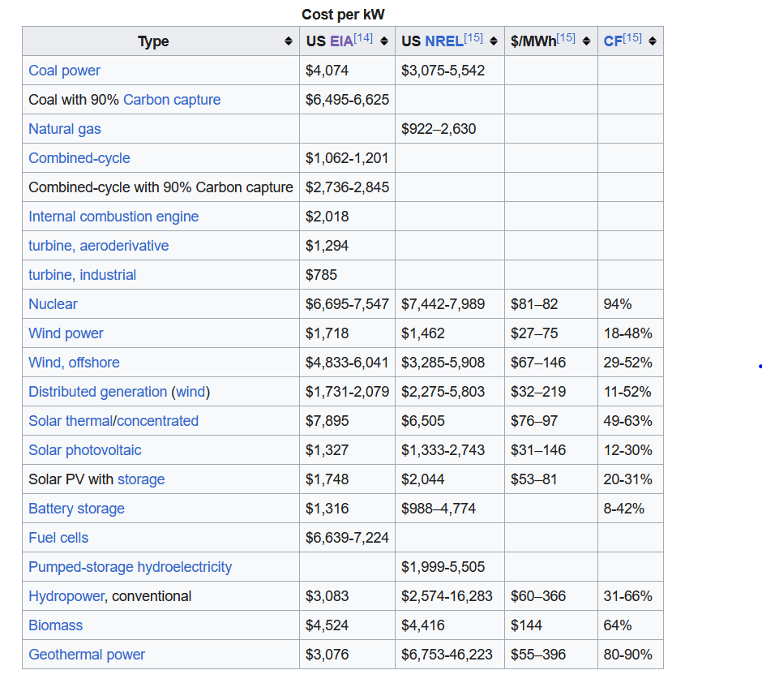

year | yearly distance

Quantity per FU | Unit | Energy/Unit [MJ/Unit] | Energy per FU [MJ/FU] | fraction energy
...
#DIV/0! | kg | 25.22 | #DIV/0! | #DIV/0!
#DIV/0! | kg | 25.19 | #DIV/0! | #DIV/0!
#DIV/0! | kg | 218.90 | #DIV/0! | #DIV/0!
#DIV/0! | kg | 74.58 | #DIV/0! | #DIV/0!
#DIV/0! | kg | 14.30 | #DIV/0! | #DIV/0!
#DIV/0! | kg | 77.07 | #DIV/0! | #DIV/0!
#DIV/0! | kg | 83.60 | #DIV/0! | #DIV/0!
#DIV/0! | kg | 11.44 | #DIV/0! | #DIV/0!
#DIV/0! | kg | 114.57 | #DIV/0! | #DIV/0!
#DIV/0! | kg | 448.25 | #DIV/0! | #DIV/0!
#DIV/0! | kg | 49.88 | #DIV/0! | #DIV/0!
...

Absolute sustainability
...
Comparison of carbon footprint
 | Manufacturing & raw materials | Transportation | Disposal | Use | Electric charging - EU | Electric charging - wind | Electric charging - photovoltaic | Electric charging - hard coal | Net value
Gas Vehicle | 0.0327 | 0.0010 | 0.0018 | 0.2751 |  |  |  |  | 0.3106
Electric Vehicle - Hard coal | 0.0465 | 0.0006 | 0.0021 |  |  |  |  | 0.2848 | 0.3340
Electric Vehicle - EU average | 0.0465 | 0.0006 | 0.0021 |  | 0.1001 |  |  |  | 0.1493
Electric Vehicle - Wind | 0.0465 | 0.0006 | 0.0021 |  |  | 0.0038 |  |  | 0.0530
Electric Vehicle - Photovoltaic | 0.0465 | 0.0006 | 0.0021 |  |  |  | 0.0209 |  | 0.0700
E-bike - EU average | 0.0087 | 0.0004 | 0.0005 |  | 0.0027 |  |  |  | 0.0124
Conventional bike | 0.0073 | 0.0004 | 0.0001 |  | 0.0000 |  |  |  | 0.0077
...
Grand fathering
...
Total present consumption-based impact DK | kgCO2e/pers/yr | 10287.36
...
Reduction factor to reach PB | - | 29.05

Sustainable boundary assigned to 1 V-km | kgCO2e/V-km | 0.0107

Electric Vehicle - EU average | Electric Vehicle - Wind | Electric Vehicle - Photovoltaic | Electric Vehicle - Hard coal | E-bike - EU average | Bike
0.149 | 0.053 | 0.070 | 0.334 | 0.012 | 0.008
...
45.5 | 16.1 | 21.3 | 101.7 | 3.8 | 2.4
14.0 | 5.0 | 6.6 | 31.2 | 1.2 | 0.7

